Admin Interface
To Do:
 |  | Libang Guild |  |  |  |  |  |  |  | Current Date | 2022-02-09 |  |  |  |  | Last Payout Performance
 |  | User Information |  |  |  |  |  |  |  |  |  | Next Payouts Table |  |  |  | Raze | 4,705 | Reinne | 1,219 | Anons | 1,584
 |  | IGN: | Raze | Full Name: | Dan Cooper |  | Payout Method | Ronin |  |  |  | Captn | 2022-02-16 | 7 Days Away |  | Saksa | 3,605 | Tranquil | 1,278 | Andreii | 750
 |  | User Number: | 0001 | Sex: | Male |  | Name | Dan Cooper |  |  |  | Dond | 2022-02-15 | 6 Days Away |  | Timado | 3,414 | Obsi | 2,219 | Carl | 2,076
 |  | Discord: | Raze#3955 | Phone Number | +63 93-5973-7299 |  | Account Number | ronin:dad19b1c7afda06495dabdae8bc76aafd46d190a |  |  |  | Anons | 2022-02-14 | 5 Days Away |  | Tims | 1,195 | Xin | 835 | Kian | 1,761
 |  | Started: | 2021-06-23 | Libang Guild Staff: | Founder |  | Phone Number | +63 92-1739-5140 |  |  |  | Lillo | 2022-02-13 | 4 Days Away |  | Sam | 384 | Hammer | 1,893 | Haruhi | 1,943
 |  | Axie Infinity Account Informatiion |  |  |  |  |  |  |  |  |  | Suru | 2022-02-13 | 4 Days Away |  | Mania | 601 | Pix | 141 | Ash | 1,674
 |  | Manager: | Raze#3955 |  | Log-in Email: | raze.libangguild@gmail.com |  |  |  |  |  | Carl | 2022-02-13 | 4 Days Away |  | Hao | 2,192 | Bleak | 1,505 | Suru | 1,974
 |  | Guild: | LibangGuild |  | Log-in Password: | M9mkY8J5 |  |  |  |  |  | Kian | 2022-02-13 | 4 Days Away |  | Fenrir | 2,150 | Captn | 1,489 | Lillo | 1,986
 |  | Cut (U,O,M) | 1-0-0 |  | Axie Ronin: | ronin:dad19b1c7afda06495dabdae8bc76aafd46d190a |  |  |  |  |  | Dott | 2022-02-04 | 5 Days Overdue |  | Borax | 765 | Arth | 1,526 | Jgm | 914
 |  |  | (User-Outsource-Manager) |  | Axies Link: | https://marketplace.axieinfinity.com/profile/ronin:dad19b1c7afda06495dabdae8bc76aafd46d190a/axie/ |  |  |  |  |  | Arise | 2022-02-03 | 6 Days Overdue |  | Allysa | 1,737 | Dott | 2,696 | Oman | 639
 |  |  | Statistics |  |  | Statistics |  |  |  |  |  | Canto | 2022-02-02 | 7 Days Overdue |  | Jogo | 477 | Dond | 2,099 | Uys | 2,209
 |  | Total SLP Farmed | 41,835 | Career Duration | 6 Months 23 Days |  | User Payout AVG | 3,486 | Last (2) PO AVG | 4,137 | Way Above Average | Ash | 2022-02-01 | 8 Days Overdue |  | Tavo | 1,969 | Duck | 2,213 | Smite | 877
 |  | Total Php | ₱209,443 | Next Payout: | 2022-01-28 | · | All Payout AVG | 2,131 | Action | Potential to be a Tutor |  | Toxi | 2022-02-01 | 8 Days Overdue |  | Bulba | 2,042 | Quelin | 563 | Fore | 662
 |  | Daily SLP Average | 219 |  | 12 Days Overdue |  |  |  |  |  |  | Fenrir | 2022-02-01 | 8 Days Overdue |  | Arise | 4,184 | Toxi | 1,244 | Vole | 286
 |  |  | Record of Transactions |  |  | Record of Transactions |  |  |  |  |  | Vole | 2022-01-31 | 9 Days Overdue |  | Mane | 1,172 | Mik | 1,242 | Dinn | 1,477
 | # | Transaction Number | Date | SLP Farmed | SLP Price | Raze's SLP | Raze's PHP | Outsource's SLP | Outsource's Php | Manager's SLP | Manager's PHP | Borax | 2022-01-31 | 9 Days Overdue |  | Canto | 2,755 | Alpha | 1,258
17 | 1 | 001 | 2021-07-07 | 3553 | 10.8 | 1777 | ₱19,186 | 0 | ₱0 | ₱1,777 | ₱19,186 | Pix | 2022-01-31 | 9 Days Overdue |  | Wrath | 2,001 | Yosh | 77
Legend:
Above Average Performance
Average Performance
Below Average Performance
14 | 2 | 007 | 2021-07-24 | 2950 | 14 | 1475 | ₱20,650 | 0 | ₱0 | ₱1,475 | ₱20,650 | Yosh | 2022-01-31 | 9 Days Overdue
16 | 3 | 017 | 2021-08-07 | 3072 | 8.2 | 1536 | ₱12,595 | 0 | ₱0 | ₱1,536 | ₱12,595 | Mania | 2022-01-31 | 9 Days Overdue
10 | 4 | 036 | 2021-08-23 | 1199 | 7.5 | 600 | ₱4,496 | 0 | ₱0 | ₱600 | ₱4,496 | Bulba | 2022-01-30 | 10 Days Overdue
Scholar Mode (Yes/No)
45 | 5 | 055 | 2021-09-02 | 1895 | 6 | 1895 | ₱11,370 | 0 | ₱0 | ₱0 | ₱0 | Tavo | 2022-01-30 | 10 Days Overdue | No
14 | 6 | 094 | 2021-10-17 | 3984 | 3.6 | 3984 | ₱14,342 | 0 | ₱0 | ₱0 | ₱0
Raze's SLP Farm Trend
 | SLP Farmed
7/7/2021 | 3553
7/24/2021 | 2950
8/7/2021 | 3072
8/23/2021 | 1199
9/2/2021 | 1895
10/17/2021 | 3984
10/31/2021 | 3998
11/16/2021 | 3257
11/24/2021 | 6328
11/30/2021 | 3326
12/21/2021 | 3568
1/14/2022 | 4705
16 | 7 | 110 | 2021-10-31 | 3998 | 3.8 | 3998 | ₱15,192 | 0 | ₱0 | ₱0 | ₱0
8 | 8 | 150 | 2021-11-16 | 3257 | 4.3 | 3257 | ₱14,005 | 0 | ₱0 | ₱0 | ₱0
6 | 9 | 171 | 2021-11-24 | 6328 | 3.2 | 6328 | ₱20,250 | 0 | ₱0 | ₱0 | ₱0 |  |  |  |  | Data Holders (Don’t Delete)
21 | 10 | 188 | 2021-11-30 | 3326 | 3.2 | 3326 | ₱10,643 | 0 | ₱0 | ₱0 | ₱0 |  |  |  |  | Career in Days |  | 205
24 | 11 | 226 | 2021-12-21 | 3568 | 1.45 | 3568 | ₱5,174 | 0 | ₱0 | ₱0 | ₱0 |  |  |  |  | Next Payout |  | 12 Days
0 | 12 | 257 | 2022-01-14 | 4705 | 0.98 | 4705 | ₱4,611 | 0 | ₱0 | ₱0 | ₱0 |  |  |  |  | Chart Name |  | Raze's SLP Farm Trend
0 | 13
 | 14 |  |  |  |  |  |  |  |  |  |  |  |  |  |  | Backup
 | 15 |  |  |  |  |  |  |  |  |  |  |  |  |  |  | 6 Months 23 Days
 | 16 |  |  |  |  |  |  |  |  |  |  |  |  |  |  | 0 Years 6 Months 23 Days
 | 17
 | 18
 | 19
 | 20
 |  |  |  | 41,835 |  | 36,448 | ₱152,515 | - | ₱0 | 5,387 | ₱56,928
 |  | Transactions: | 12 |  |  |  | 87% |  | 0% |  | 13%
Last Payout SLP Amount
Raze | 4705
Saksa | 3605
Timado | 3414
Tims | 1195
Sam | 384
Mania | 601
Hao | 2192
Fenrir | 2150
Borax | 765
Allysa | 1737
Jogo | 477
Tavo | 1969
Bulba | 2042
Arise | 4184
Mane | 1172
Canto | 2755
Wrath | 2001
Reinne | 1219
Tranquil | 1278
Obsi | 2219
Xin | 835
Hammer | 1893
Pix | 141
Bleak | 1505
Captn | 1489
Arth | 1526
Dott | 2696
Dond | 2099
Duck | 2213
Quelin | 563
Toxi | 1244
Mik | 1242
Alpha | 1258
Yosh | 77
Anons | 1584
Andreii | 750
Carl | 2076
Kian | 1761
Haruhi | 1943
Ash | 1674
Suru | 1974
Lillo | 1986
Jgm | 914
Oman | 639
Uys | 2209
Smite | 877
Fore | 662
Vole | 286
Dinn | 1477
Monthly Average SLP Farmed
 | Total
Jul | 2,947
Aug | 2,440
Sep | 1,433
Oct | 2,069
Nov | 2,226
Dec | 1,973
Jan | 1,762
Feb | 2,099
SLP Token Price
 | Total
Jul | ₱12.17
Aug | ₱7.40
Sep | ₱5.50
Oct | ₱3.61
Nov | ₱3.57
Dec | ₱1.86
Jan | ₱1.14
Feb | ₱0.50

Monthly Total SLP Farmed
 | Total
Jul | 41,264
Aug | 97,614
Sep | 8,600
Oct | 113,799
Nov | 164,745
Dec | 80,899
Jan | 89,839
Feb | 2,099
 |  |  |  |  |  |  |  |  |  |  |  |  |  |  |  | Statistics
 |  |  |  |  |  |  |  |  |  |  |  |  |  |  |  | Scholar SLP |  |  |  | 268,618
 |  |  |  |  |  |  |  |  |  |  |  |  |  |  |  | Outsource SLP |  |  |  | 61,478
 |  |  |  |  |  |  |  |  |  |  |  |  |  |  |  | Manager SLP |  |  |  | 270,860
 |  |  |  |  |  |  |  |  |  |  |  |  |  |  |  | Total SLP Farmed |  |  |  | 600,956
 |  |  |  |  |  |  |  |  |  |  |  |  |  |  |  | Scholar Php |  |  | ₱1,134,097
 |  |  |  |  |  |  |  |  |  |  |  |  |  |  |  | Outsource Php |  |  | ₱248,279
 |  |  |  |  |  |  |  |  |  |  |  |  |  |  |  | Manager Php |  |  | ₱1,190,405
 |  |  |  |  |  |  |  |  |  |  |  |  |  |  |  | Total Net |  |  | ₱2,572,781
 |  |  |  |  |  |  |  |  |  |  |  |  |  |  |  | Total Staff |  |  |  | 3
 |  |  |  |  |  |  |  |  |  |  |  |  |  |  |  | Total Scholars |  |  |  | 46
 |  |  |  |  |  |  |  |  |  |  |  |  |  |  |  | Total Transactions |  |  |  | 282

Pivot Tables
 | Monthly Average SLP Price |  | Monthly Average SLP Farmed |  | Total SLP Monthly | User Monthly
2021 | ₱4.51 | 2021 | 2,204 | 2021 |  |  | 2021 |  |  |  |  |  | 2022 |  | Grand Total
Jul | ₱12.17 | Jul | 2,947 | Jul | 41,264 | Row Labels | Jul | Aug | Sep | Oct | Nov | Dec | Jan | Feb
Aug | ₱7.40 | Aug | 2,440 | Aug | 97,614 | Raze | 6,503 | 4,271 | 1,895 | 7,982 | 12,911 | 3,568 | 4,705 |  | 41,835
Sep | ₱5.50 | Sep | 1,433 | Sep | 8,600 | Canto | 2,482 | 6,348 | 3,261 | 5,519 | 6,611 | 5,717 | 2,755 |  | 32,693
Oct | ₱3.61 | Oct | 2,069 | Oct | 113,799 | Suru | 4,206 | 5,727 | 1,480 | 4,338 | 6,992 | 4,628 | 4,744 |  | 32,115
Nov | ₱3.57 | Nov | 2,226 | Nov | 164,745 | Borax | 4,987 | 5,969 |  | 6,696 | 5,670 | 3,501 | 2,167 |  | 28,990
Dec | ₱1.86 | Dec | 1,973 | Dec | 80,899 | Quelin |  | 6,813 |  | 5,773 | 10,484 | 3,519 | 2,096 |  | 28,685
2022 | ₱1.12 | 2022 | 1,768 | 2022 |  | Timado | 5,531 | 5,744 | 830 | 9,219 | 6,650 |  |  |  | 27,974
Jan | ₱1.14 | Jan | 1,762 | Jan | 89,839 | Dinn | 4,742 | 6,354 |  | 3,700 | 9,491 | 3,018 |  |  | 27,305
Feb | ₱0.50 | Feb | 2,099 | Feb | 2,099 | Alpha | 2,054 | 6,651 |  | 3,871 | 8,883 | 3,169 | 2,349 |  | 26,977
 |  |  |  | Grand Total | 598,859 | Arth |  | 5,227 |  | 4,370 | 12,192 | 4,134 |  |  | 25,923
Row Labels | Next Payout | Row Labels | Sum of slp_farmed |  |  | Arise | 3,190 | 5,696 |  | 1,903 | 2,737 |  | 11,223 |  | 24,749
Captn | 2022-02-16 | Raze | 41,835 |  |  | Lillo |  |  |  | 5,339 | 8,888 | 5,199 | 4,576 |  | 24,002
Dond | 2022-02-15 | Canto | 32,693 |  |  | Fenrir |  | 788 |  | 4,867 | 7,435 | 5,135 | 5,485 |  | 23,710
Anons | 2022-02-14 | Suru | 32,115 |  |  | Saksa | 5,793 | 4,180 |  | 5,819 | 6,531 |  |  |  | 22,323
Lillo | 2022-02-13 | Borax | 28,990 |  |  | Dond |  |  |  | 3,616 | 9,424 | 3,633 | 2,932 | 2,099 | 21,704
Suru | 2022-02-13 | Quelin | 28,685 |  |  | Carl |  |  | 1,134 | 6,376 | 6,353 | 2,192 | 5,420 |  | 21,475
Carl | 2022-02-13 | Timado | 27,974 |  |  | Wrath |  | 6,045 |  | 3,310 | 7,903 | 2,001 |  |  | 19,259
Kian | 2022-02-13 | Dinn | 27,305 |  |  | Haruhi |  | 3,788 |  | 3,512 | 6,868 | 1,416 | 1,943 |  | 17,527
Dott | 2022-02-04 | Alpha | 26,977 |  |  | Hao |  | 989 |  | 6,237 | 5,053 | 4,196 |  |  | 16,475
Arise | 2022-02-03 | Arth | 25,923 |  |  | Hammer |  |  |  | 3,893 | 4,334 | 3,911 | 4,331 |  | 16,469
Canto | 2022-02-02 | Arise | 24,749 |  |  | Kian |  |  |  | 6,357 |  | 5,251 | 4,380 |  | 15,988
Ash | 2022-02-01 | Lillo | 24,002 |  |  | Anons |  |  |  | 3,125 | 2,255 | 4,105 | 3,275 |  | 12,760
Toxi | 2022-02-01 | Fenrir | 23,710 |  |  | Jgm |  |  |  | 3,531 | 3,335 | 4,585 | 914 |  | 12,365
Fenrir | 2022-02-01 | Saksa | 22,323 |  |  | Bleak |  | 4,776 |  |  | 5,644 | 1,505 |  |  | 11,925
Vole | 2022-01-31 | Dond | 21,704 |  |  | Fore |  |  |  | 3,456 | 3,986 |  |  |  | 7,442
Borax | 2022-01-31 | Carl | 21,475 |  |  | Ash |  |  |  |  |  | 3,143 | 3,350 |  | 6,493
Pix | 2022-01-31 | Grand Total | 410,460 |  |  | Obsi |  | 6,040 |  |  |  |  |  |  | 6,040
Yosh | 2022-01-31 |  |  |  |  | Tranquil | 1,776 | 3,716 |  |  |  |  |  |  | 5,492
Career SLP Farmed
Mania | 2022-01-31 |  |  |  |  | Bulba |  |  |  |  | 1,267 | 1,422 | 2,430 |  | 5,119
Bulba | 2022-01-30 |  |  |  |  | Reinne |  | 4,487 |  |  |  |  |  |  | 4,487
Tavo | 2022-01-30 |  |  |  |  | Duck |  | 3,033 |  |  |  |  |  |  | 3,033
Jogo | 2022-01-30 |  |  |  |  | Dott |  |  |  |  |  | 239 | 2,696 |  | 2,935
Tims | 2022-01-30 |  |  |  |  | Captn |  |  |  |  |  |  | 2,923 |  | 2,923
Mik | 2022-01-29 |  |  |  |  | Tavo |  |  |  |  |  |  | 2,713 |  | 2,713
Hammer | 2022-01-29 |  |  |  |  | Allysa |  |  |  |  |  |  | 2,713 |  | 2,713
Quelin | 2022-01-29 |  |  |  |  | Mik |  |  |  |  |  |  | 2,508 |  | 2,508
Alpha | 2022-01-29 |  |  |  |  | Uys |  |  |  | 240 | 2,209 |  |  |  | 2,449
Mane | 2022-01-29 |  |  |  |  | Toxi |  |  |  |  |  |  | 2,146 |  | 2,146
Allysa | 2022-01-28 |  |  |  |  | Mane |  |  |  |  |  |  | 2,141 |  | 2,141
Haruhi | 2022-01-28 |  |  |  |  | Tims |  |  |  |  |  |  | 1,342 |  | 1,342
Raze | 2022-01-28 |  |  |  |  | Sam |  | 972 |  |  |  |  |  |  | 972
Jgm | 2022-01-17 |  |  |  |  | Smite |  |  |  |  |  | 877 |  |  | 877
Smite | 2022-01-04 |  |  |  |  | Xin |  |  |  |  |  | 835 |  |  | 835
Bleak | 2022-01-04 |  |  |  |  | Andreii |  |  |  | 750 |  |  |  |  | 750
Arth | 2022-01-03 |  |  |  |  | Oman |  |  |  |  | 639 |  |  |  | 639
Dinn | 2022-01-02 |  |  |  |  | Mania |  |  |  |  |  |  | 601 |  | 601
Hao | 2021-12-29 |  |  |  |  | Jogo |  |  |  |  |  |  | 477 |  | 477
Fore | 2021-12-21 |  |  |  |  | Vole |  |  |  |  |  |  | 286 |  | 286
Xin | 2021-12-19 |  |  |  |  | Pix |  |  |  |  |  |  | 141 |  | 141
Wrath | 2021-12-19 |  |  |  |  | Yosh |  |  |  |  |  |  | 77 |  | 77
Saksa | 2021-12-14 |  |  |  |  | Grand Total | 41,264 | 97,614 | 8,600 | 113,799 | 164,745 | 80,899 | 89,839 | 2,099 | 598,859
Timado | 2021-12-13
Uys | 2021-12-10
Oman | 2021-11-29
Andreii | 2021-11-11
Obsi | 2021-09-28
Sam | 2021-09-26
Reinne | 2021-09-12
Tranquil | 2021-09-12
Duck | 2021-09-01

Tables
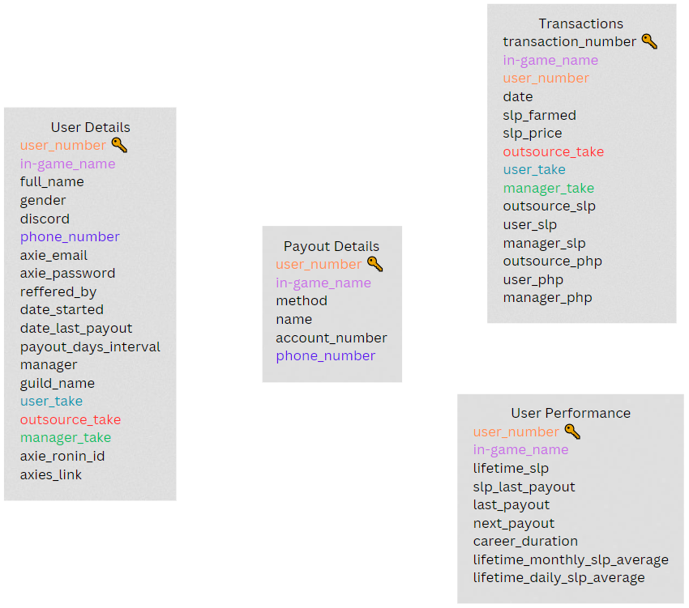
Schema Diagram

ⓘ About
What is Libang Axie Infinity?
 | Libang Axie Infinity is a Discord server founded (2021) by Jc Maravilla along with close friends to serve as a gaming community during the pandemic, Libang is a bicol word which means "to have fun", which was the goal of community, may it be through games or voice chats.
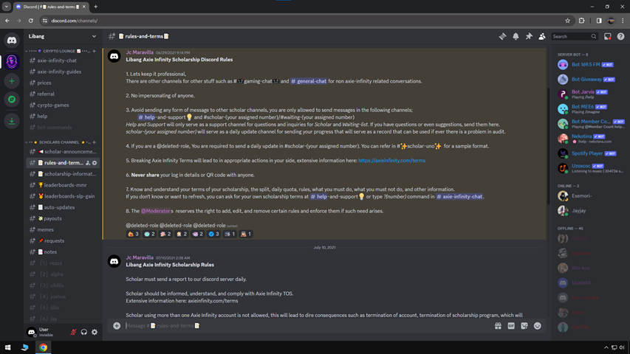

What is Axie Infinity?
 | Axie Infinity is a Crypto Game developed by Sky Mavis, It is a blockchain game that utilizes cryptocurrency such as SLP and AXS, this tokens can be earned and spent in the in-game economy, this tokens can also be sold for real life currency through binance and other platforms.
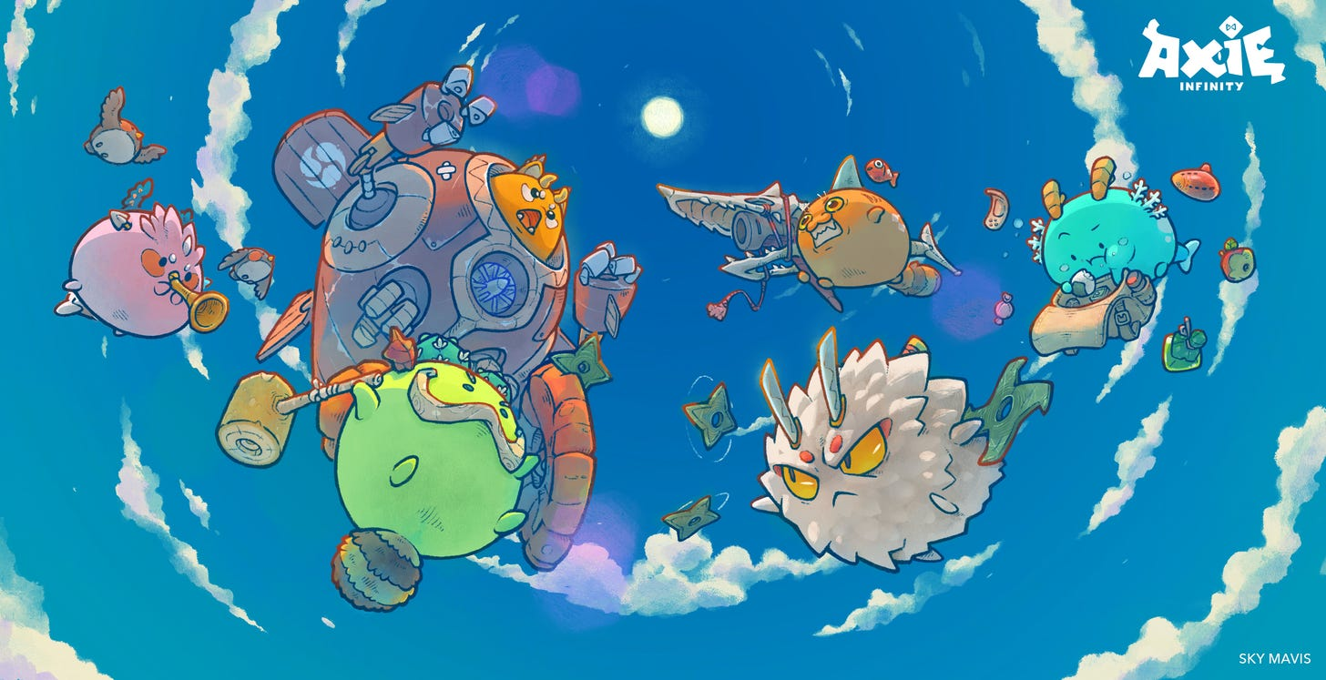
 |  |  | Axies can be compared to "Pokemons", each axie has its unique attribute and skills that dictate the player experience through the game.
 |  |  | Axies typically cost around ₱10,000 to ₱30,000 during its boom in popularity, each team consists or 3 axies minimum.
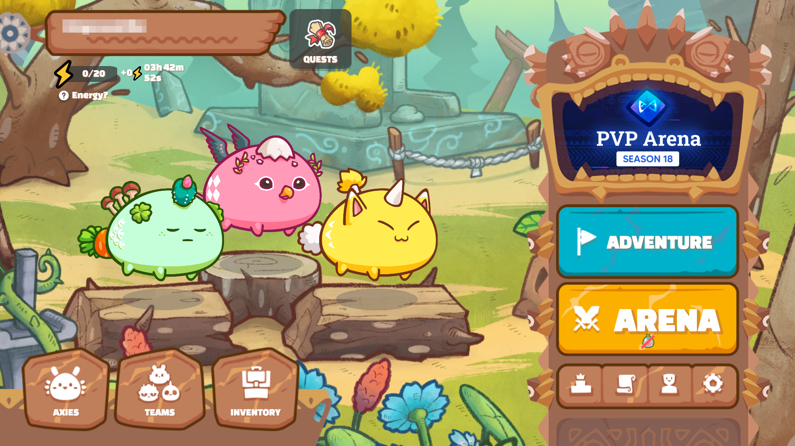

What is SLP?
 | Playing the game earns you cryptocurrency, SLP which stands for Smooth Love Potion, is used to breed Axies to produce new Axies, the game has a loop like structure to encourage playing the game and welcoming new players into the community.
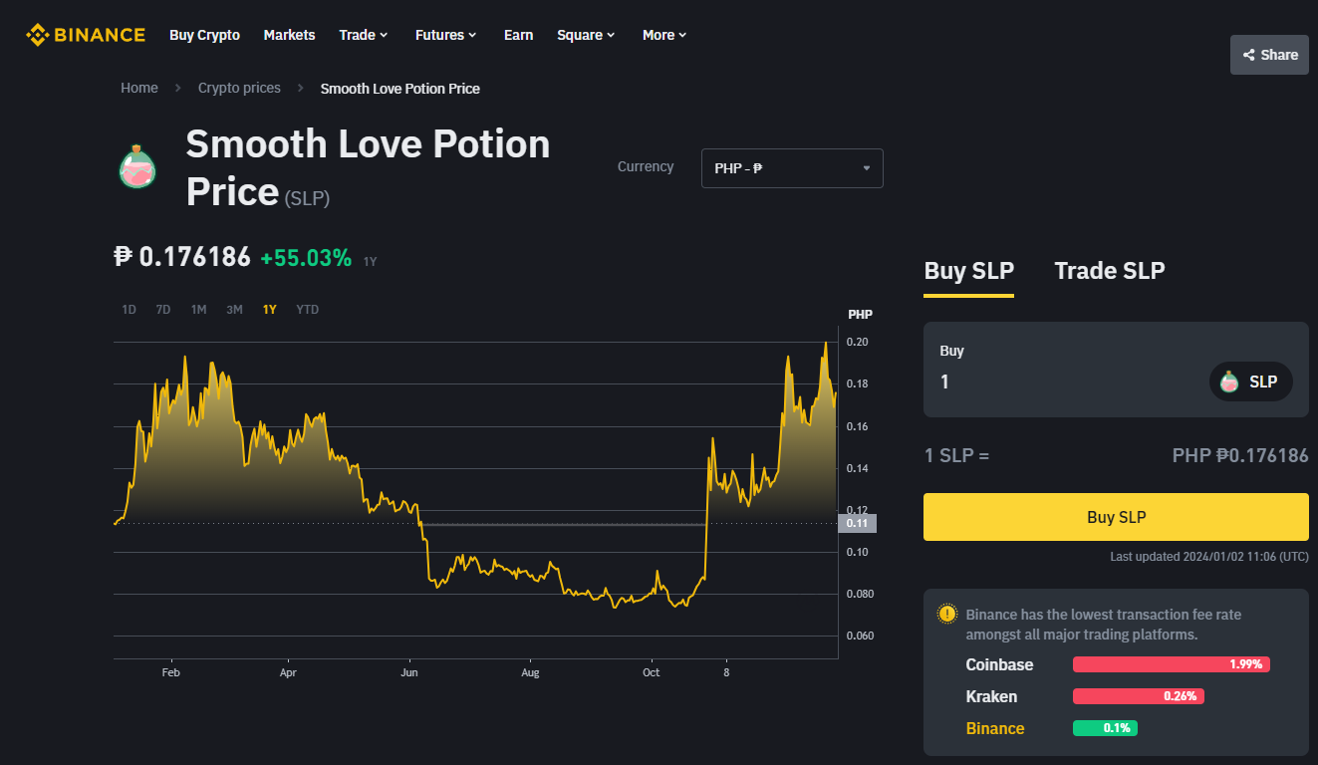
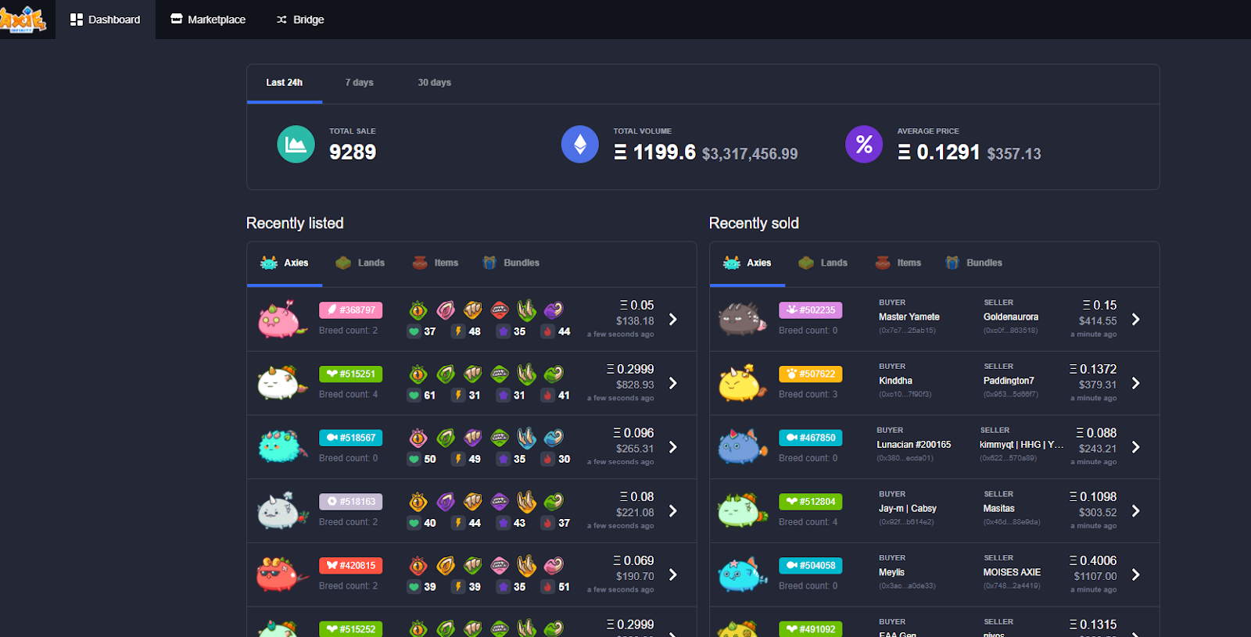

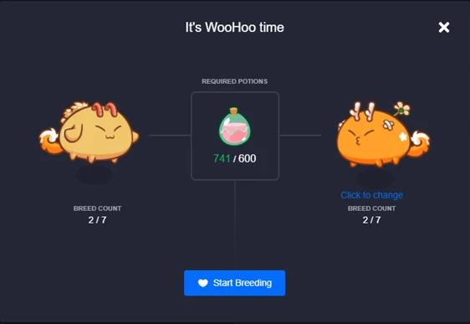

What is Axie Infinity Scholarships?
 | Since there was a steep cost of entry to play the game, Scholarships were introduced, it is the process of players (called managers) lending axies to another players (called scholars) for them to play it and receive a portion of its earnings.
 | Guilds were set-up and soon after, the game gained high popularity in third-world countries such as Philippines, Venezuela, Brazil, etc.

I started as a scholar during June of 2021 and focused on saving up to have my own Axies as well.

During July of 2021, I saw an issue that I can help, Many of my friends who are to my knowledge and confidence that can play the game, cannot obtain Axie Scholarships.
It was due to how they cannot confidently and profeciently converse in English, talking to Managers was very integral in attaining scholarships.

I started to convert the discord community to Libang Axie Infinity (formerly Libang Guild)

 |  |  | Because I am confident in interviews and looking for Managers, I had an idea to be an Outsource Manager.
 |  |  | I took care of looking for scholarships, Inform them of the strategy that I am taking (outsourcing).

 |  |  | My strategy was
 |  |  |  | 1. Look for scholarship
 |  |  |  | 2. If both manager and my friends agree with the terms (earnings percentage)
 |  |  |  | 3. Guide the scholar through the game
 |  |  |  | 4. Handle payouts

 |  |  | Throughout the duration of the popularity of the game, I had accumulated a total of 46 scholars, handling their requests, and payouts.

Libang Axie Infinity Database
 | I understood that I will be processing numerous amount of data, I knew I had to keep track of it.
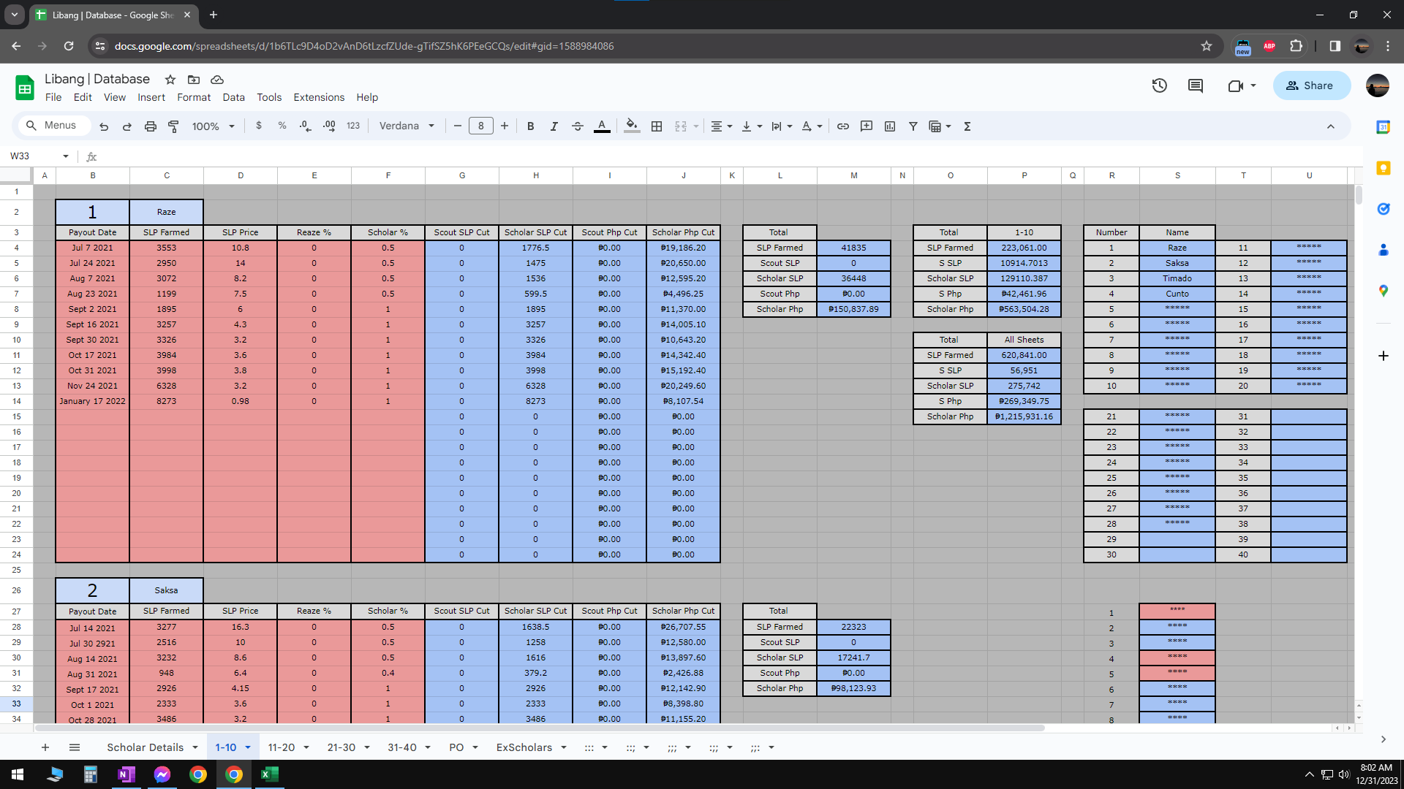
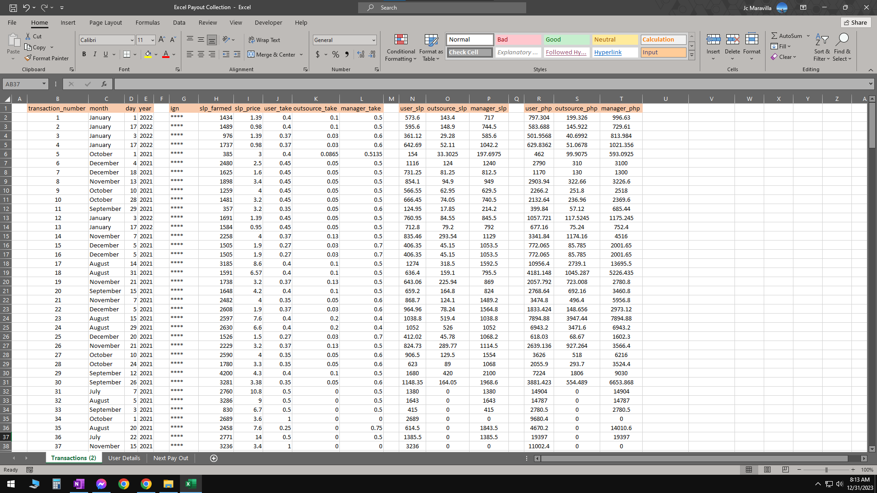
 |  | (Early itterations of the database was in Google Sheets"

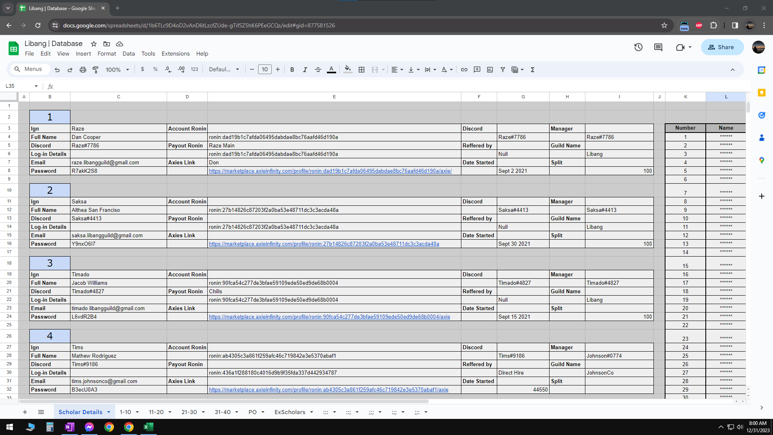

I have made this excel for my staff and I to make managing our scholars with ease, It also served as a learning opportunity for me, I am so proud of what I made and is excited of what else I can create.

Huge thanks to the Libang Community!

